Table 1
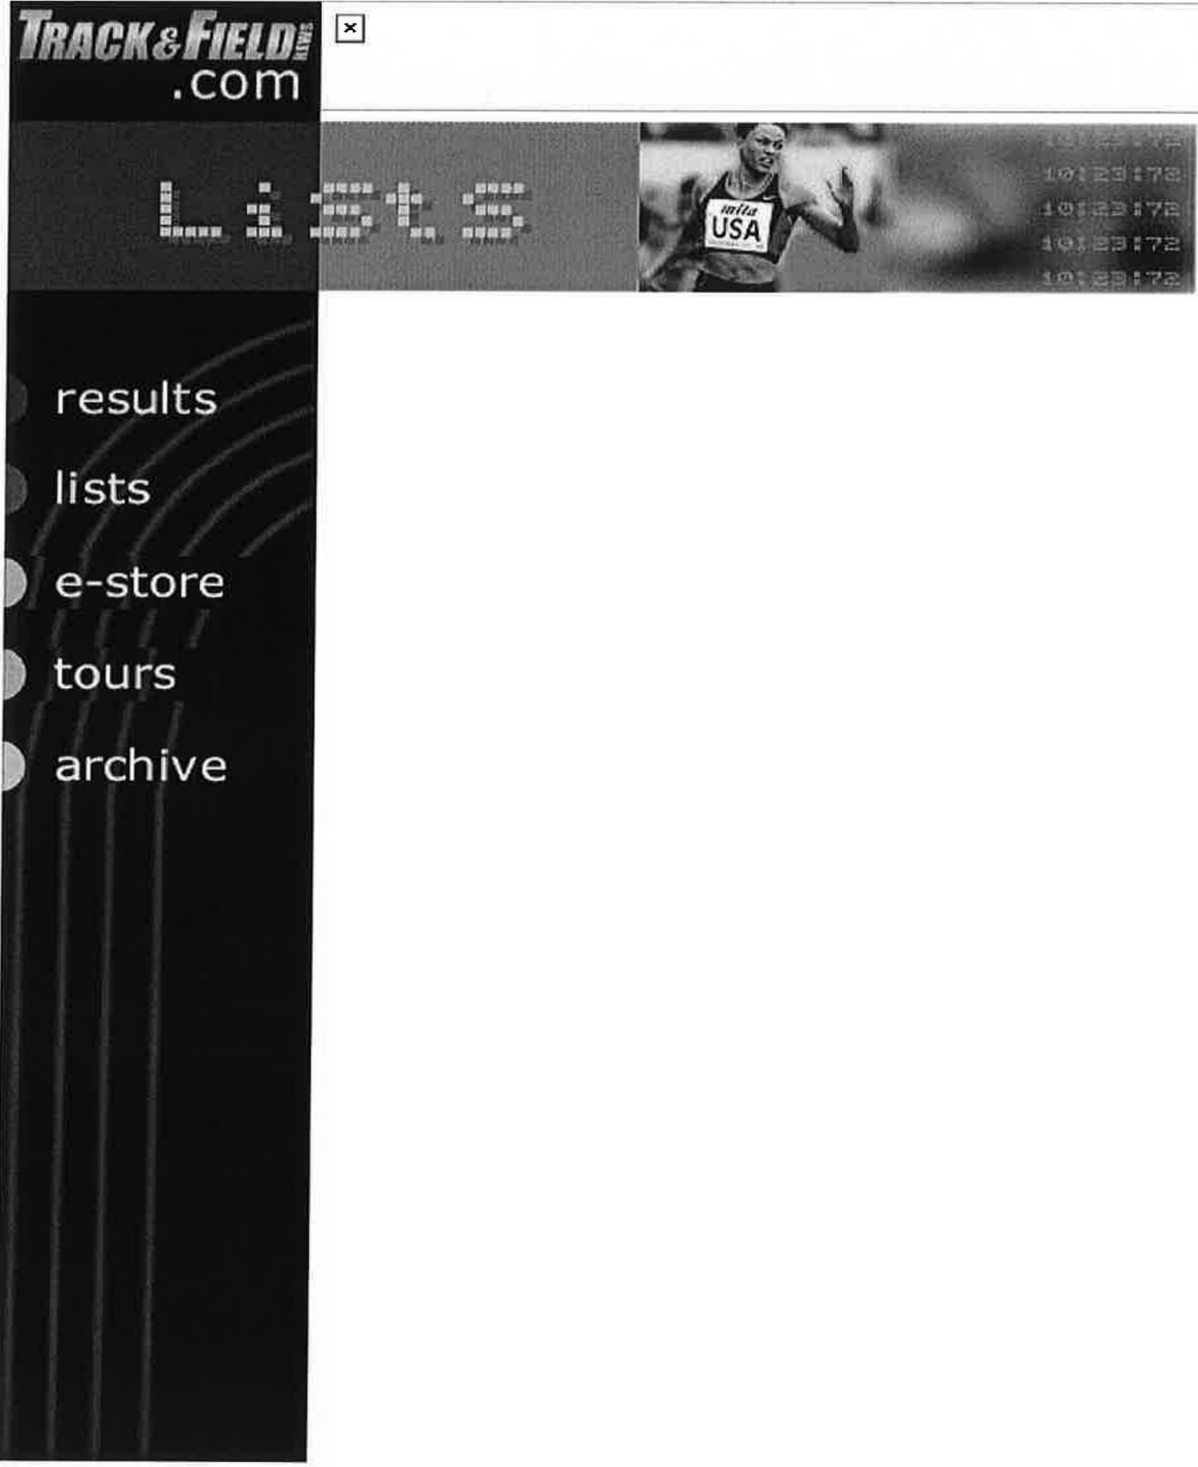

2000 World Men's Outdoor Lists
compiled by _Qan Lilot with a debt of gratitude to Richard Hymans for his invaluable assistance (final 2000 lists)
Symbols: (A)=altitude over 1000m (in affected events only); +=converted mark; !=secondary mark in field event series; i=indoor mark; w=decathlon mark in which the wind in at least one event exceeds 4.0mps; h=decathlon mark that includes hand times. #=relay team that includes citizens of more than one country (?=relay team with mixed-nationality personnel unconfirmed).
100 METERS
9.86 | *Maurice Greene |  |  |  |  |  |  |  | (Nik)
9.95 | ........... ..... ...... Ato Boldon |  |  |  |  |  |  |  | (Tri)
9.96 | ................... *Jon Drummond |  |  |  |  |  |  |  | (Nik)
9.97 9.98 | Francis Obikwelu Obadele Thompson ................. ... *Coby Miller |  |  |  |  |  |  |  | (Ngr) (Bar) (Aub)
9.99 ................ *Bernard Williams (Fl)
10.01 ................... *Mike Marsh (SMTC)
.......... *Tim Montgomery (Asics)
10.02 ............... ... *Brian Lewis (Reeb)
(10)
10.04 *Kenny Brokenburr (Nik)
*Terrence Trammell (SC)
10.0S(A) *Kaaron Conwright (SLO)
Chris Williams (Jam)
10.06 Donovan Bailey (Can)

......... .... Da rren Campbell (GB)
......... ..... *Tony McCall (Reeb)
. .. ..... .. Abdul Aziz Zakari (Gha)
10.07 ............. . .... Lindel Frater (Jam)
............ *Curtis Johnson (Nik)
(20)
10.08 .................. Dwain Chambers (GB)
............... *Greg Saddler (US)
.... .... ........ Bruny Surin (Can)
10.09 ......... .... Llewellyn Bredwood (Jam)
..... ... ...... Jason Gardener (GB)
*Dennis Mitchell (US)
10.10 Patrick Johnson (Aus)
.......... Mark Lewis-Francis (GB)
.......... .... Roland Nemeth (Hun)
10.11 .............. .. *Marquis Davis (MemE)
(30)
Shingo Kawabata (Jpn)
........... Matt Shirvington (Aus)
10.12 *John Capel (adi) *Bryan Howard (adi) Dwight Thomas (Jam)
10.13 ............ .. Antoine Boussombo (Gab)
(A) ............. Kim Collins (StK)
(A) .......... Andre da Silva (Bra)
.... .......... . David Patras (Fra)
.... .. ... Angelos Pavlakakis (Gre)
(40)
Yanes Raubaba (Ina)
10.14 Elston Cawley (Jam) ............ Patrick Jarrett (Jam) ....... ..... .. Freddy Mayola (Cub)

10.15 ....... .. .......... . . . Dej i Aliu (Ngr)

........ Leonard Myles-Mills (Gha)
10.16 ............. *Lawrence Armstrong (Tx)
..... . .... Stephane Buckland (Mri)
............. *Chris Chandler (Nb)
........... *Shawn Crawford (Clem)
(50)
Claudinei da Silva (Bra)

... . . ... Konstadinos Kederis (Gre)
*Jeff Laynes (Reeb)
Wind-aided:
9.88 *Miller
9.90 ................................ *Marsh
9.94 ..................... . . . ....... *Howard
9.96 .. . . ............. . . . . ........... *Lewis
...................... *Montgomery
9.99 ..................... Ray Stewart (Jam)
10.00 .......... . . ................ .. . Bailey
............ *Michael Bennett (Wi)
...... ... . . .......... ...... Mayola
10.02 .......... .............. .... Boussombo
.......... .... ............ Collins
10.04 ............................. Gardener
........................ *Mitchell
.. ................ . ... C. Williams
10.05(A) .. ... . ..... ..... Wayne Fenton (Jam)
.................. Ian Mackie (GB)
Surin
10.06(A) Oumar Loum (Sen)
(A) ...... Patrick van Balkom (Hal)
10.07 ..................... . . . . . . *Armstrong
......................... Bredwood

10.09(A) ............ ... Nnamdi Anusim (Ngr)
........... .. *Darvis Patton (TCU)
10.10 ....... .......................... Aliu
...... .................... *Laynes
10.11 ......... ......... *Randall Evans (US)
.......... *Dwight Phillips (AzSt)
10.12 ........ ... *Vincent Henderson (Asics)
............. Donovan Powell (Jam)
..... ....... Patrick Stevens (Bel)
10.13(A) ...... ......... Kenneth Andam (Gha)
.... . ........ Raymond Ejiogu (Ngr)
...... .. . Luis Alberto Perez (Cub)
10.14 *Travis Grant (Nik)
......... *Rohsaan Griffin (Asics)
......... ..... *Floyd Heard (SMTC)
... .. . . . .......... Geir Moen (Nor)
........... Konstantin Rurak (Ukr)
10.15 ............... ... Paul Di Bella (Aus)
*Jarmiene Holloway (NewE)
200 METERS
19.71 (A) *Michael Johnson (Nik)
19.85 ..... .. ...... ....... *John Capel (adi)
19.88 ..... ... .......... *Floyd Heard (SMTC)
19.96 ......... .......... *Coby Miller (Aub)
19.97 ..................... Ato Boldon (Tri)
Obadele Thompson (Bar)
20.01 Francis Obikwelu (Ngr)
20.02 ...... .......... *Maurice Greene (Nik)
.... ......... Chris Williams (Jam)
20.03 ..... .... . ..... *Bernard Williams (Fl)
(10)
20.04 .... .......... *Kenny Brokenburr (Nik)

20.09 ............. .. *Shawn Crawford (Clem)
. .. . .... Konstadinos Kederis (Gre)
20.13 2 0. 1 7 (A) |  |  |  |  |  | Darren Campbell (GB) Andre da Silva (Bra)
.... .... .. ... . *Jon Drummond (Nik)
20.19 ... .... ... ..... Christian Malcolm (GB)
2 O. 2 O (A) ....... ... . . . . . Wayne Johnson (Jam)
20.2l(A) .................. Oumar Loum (Sen)
2O . 2 3 ... . ........ . Claudinei da Silva (Bra)
(20)
20.23(A) ...... .... .. *Ja'Warren Hooker (Wa)
Abdul Zakari (Gha)
20.26 *Mike Marsh (SMTC) Shingo Suetsugu (Jpn) 20.27 *Marquis Davis (MemE)
20.29 ................. *Darvis Patton (TCU)
20.30 ........ . .. ....... *Ramon Clay (Asics)
..... ....... *Brandon Evans (TxAM)
....... ........ *Kevin Little (TQ)
20.31 ............... Joseph Batangdon (Cmr)
(30)
Stephane Buckland (Mri)
(A) ....... ...... Kim Collins (StK)
20.33 ........ .. . .... Ricardo Williams (Jam)
20.35 ........... ..... Marcus la Grange (SA) 2o. 36(A) .......... Patrick van Balkom (Hol)
20.39 *Dennis Mitchell (US) 20.40 Patrick Stevens (Bel)
20.42 ............. *Rohsaan Griffin (Asics)
20.43 ............. ...... Marcin Urbas (Pol)
(A) ..... ..... Darryl Wohlsen (Aus)
(40)

............... ........ *Jerome Young (adi)
20.44(A) .... .......... *Randall Evans (adi)
20.45 ......... .... *LeShaunte Edwards (Akr)
20.47 ...... ....... ..... *Derrick Brew (LSU)
............. Tommi Hartonen (Fin)
20.48 ........... Alessandro Cavallaro (Ita)
... . ........ . *Brandon Couts (Bay)
20.49(A) ........ ... Antoine Boussombo (Gab)
.... . ......... Pierre Browne (Can)
20.50 ........ .... .. Christophe Cheval (Fra)
(50)
Sayon Cooper (Lbr)
(A) ...... ....... *Leon Settle (US)
Christie van Wyk (Nam)
Wind-aided:
19.93 *Greene
20.10 ................ ....... ....... . *Marsh
20.17(A) ................... ....... . *Settle
20.18 Collins
20.19 ...... ............. ..... ..... .. .. Loum
20.25 ................... .... ....... Stevens
20.31 ....... ............... ... ...... *Young
20.34 ......... ....... ... .... ...... *Edwards
20.35 ........ .............. . . . ... Boussombo
*Tony McCall (Reeb)
20.37 Elston Cawley (Jam) (A) ....... *Milton Mallard (Asics)
20.38 .................. *Chad Bullett (Akr)
20.41 .... . ........ ................ *Griffin
(A) ..... ........ *Jake Jensen (US)
20.42(A) .......... ... *Aaron Armstrong (Fl)
.... ..... . Dominic Demeritte (Bah)

20.44 .......... ... *Lawrence Armstrong (Tx)
400 METERS 43.68 *Michael Johnson (Nik)
44.18 ........ ........ *Alvin Harrison (Nik)
44.57 *Antonio Pettigrew (adi) 44.59 Hendrik Mokganyetsi (SA)
44.64 |  | ....... ........ *Calvin Harrison |  |  |  |  |  |  | (Nik)
44.65 |  | ....... .... ... Sanderlei Parrela |  |  |  |  |  |  | (Bra)
44.66 |  | .......... ...... Hamdan Al-Bishi ......... .... Ibrahim Ismail |  |  |  |  |  |  | (Sau) (Qat)
44.69 |  | .... .......... Michael Blackwood |  |  |  |  |  |  | (Jam)
44.70 |  | ....... ........... *Derrick Brew |  |  |  |  |  |  | (LSU)
(10) |  | Greg Haughton |  |  |  |  |  |  | (Jam)
44.72 |  | *Jerome Young ........ ... .... .. *Brandon Couts |  |  |  |  |  |  | (adi) (Bay)
 |  | .. ... . . . .. ..... Avard Moncur |  |  |  |  |  |  | (Bah)
........ ..... Mark Richardson (GB)
.. . . ..... *Tyree Washington (Reeb)
44.73(A) ... . ... . ......... .. Pat Dwyer (Aus)
44.74 ................. Arnaud Malherbe (SA)
44.78 ...... ....... . . *Ja'Warren Hooker (Wa)
44.80 ........ .... .. *Anthuan Maybank (Reeb)
(20)
44.87 ............ ... .... Eric Milazar (Mri)
.................. ... *Andrew Pierce (OhSt)
44.89 ....... .......... *Angelo Taylor (Nik)
44.92 ..... ...... .. Alejandro Cardenas (Mex)
44.99(A) .......... ... Marcus la Grange (SA)
45.00 *Leonard Byrd (Nik)
*Danny McCray (Nik)
45.01 .. ... . ......... Robert Mackowiak (Pol)

Track and Field News: Lists Page 8 of 51
45.02 ....... ...... ........ *Geno White (Fl)
45.03 ......... ... . . Takahiko Yamamura (Jpn)
(30)
45.05 Jun Osakada (Jpn) 45.06 Jamie Baulch (GB)
45.06 .... ..... ...... . .. Davian Clarke (Jam)
45.08 ............... ..... Chris Brown (Bah)
45.09 ................ .. *Jerome Davis (Nik)
45.20 .................... Sean Baldock (GB)
45.24 ............... Michael McDonald (Jam)
(A) ............. Juan Toledo (Mex)
.............. Ibrahima Wade (Fra)
45.25 ................ ... Rohan Kumara (SrL)
(40)
45.26(A) ........... .. *Johnny Collins (TCU)
.............. *James Davis (Gold)
..... ..... .... .... Dmitriy Golovastov (Rus)
............ Danny McFarlane (Jam)
45.28 ..... ...... ....... Troy McIntosh (Bah)
45.31(A) ................ *Kempa Busby (Nik)
....... ......... Marc Raquil (Fra)
........ Sugath Tillakeratne (SrL)
45.32 ................ Ilya Dzhivondov (Bul)
45.35 Alessandro Attene (Ita)
800 METERS
1:43.12 Andre Bucher (Swi)
1:43.25 ........... Djabir Said Guerni (Alg)
1:43.35 ....... ....... Wilson Kipketer (Den)
1:43.74 ........ ..... . . .. Andrea Longo (Ita)
1:43.84 ............. William Chirchir (Ken)
1:43.87 ....... . ...... Japheth Kimutai (Ken)
1:43.97 ............. ..... David Lelei (Ken)

1:43.98 .... ........... Hezekiel Sepeng (SA)
1:44.01 ..... ... ............. Bram Som (Hol)
1:44.06 ........ . ... Patrick Nduwimana (Bur)
(10)
1:44.20 ...... ...... Kenneth Kimwetich (Ken)
1:44.21 ........... ........ Paul Korir (Ken)
1:44.22 ..... ........... Nils Schumann (Ger)
1:44.23 |  |  |  |  | Wilfried Bungei (Ken) William Yiampoy (Ken)
1:44.33 ..... .. .... Yuriy Borzakovskiy (Rus)
1:44.41 1:44.45 1:44.49 |  |  |  |  |  |  | Werner Botha (SA) Adem Hecini (Alg) Noah Ngeny (Ken)
1:44.58 ........... Patrick Konchellah (Ken)
(20)
1:44.69 Wilson Kirwa (Fin)
1:44.6 ..... .. ... .. ..... . David Kiptoo (Ken)
1:44.70 ................... Glady Dube (Bot)
1:44.84 ............... . Vebj0rn Rodal (Nor)
1:44.85 Johan Botha (SA)
1:44.87 ............. Osmar dos Santos (Bra)
1:44.91 .............. *Trinity Gray (Brown)
1:44.98 ...... ..... ...... Nathan Kahan (Bel)
1:45.03 ........ ...... .. Shawn Abrahams (SA)
1:45.05 ..... .... .... Nicholas Wachira (Ken)
(30)
1:45.11 ....... .. ........ .. Joel Marwa (Ken)
1:45.12 .. . ...... Arthemon Hatungimana (Bur)
1:45.18 ...... ....... *Derrick Peterson (Mo)
1:45.29 .................... Rui Silva (Por)
1:45.31 ... ............... Jose Cerezo (Spa)
1:45.33 ......... ....... *Rich Kenah (Asics)

1:45.38 ........... Khalid Tighazouine (Mor)

..... . . Gideon van Oudtshoorn (SA)
1:45.39 ... . ...... ....... Jose Redolat (Spa)
.... ........ Norberto Tellez (Cub)
(40)
1:45.3 ............... Emmanuel Kemboi (Ken)
1:45.40 .......... *Khadevis Robinson (SMTC)
1:45.44 ... ... ..... Frederick Onyancha (Ken)
1:45.49(A) .............. Joseph Mutua (Ken)

1:45.51 .. .... .... .. *Bryan Woodward (ReebE)
1:45.55 .... ......... Mbulaeni Mulaudzi (SA)
1:45.57 Charles Makau (Ken)
Kris McCarthy (Aus)
1:45.59 ........ ....... .... Joao Pires (Por)
1:45.60 1000 METERS 2:14.28 |  |  |  |  |  |  | Mahjoub Haida (Mor) Japheth Kimutai (Ken)
2:14.73 ........... Patrick Konchellah (Ken)
2:14.78 2:14.79 |  |  |  |  | Noah Ngeny (Ken) William Yiampoy (Ken)
2:14.96i ..... .... .... Wilson Kipketer (Den)
2:15.45 ......... ......... Mehdi Baala (Fra)
2:15.50i ...... .... . Kenneth Kimwetich (Ken)
2:15.73 ..... ....... ..... Andre Bucher (Swi)
2:15.91 ... . ..... ... . William Chirchir (Ken)
2:16.45 .... ..... ........ Laban Rotich (Ken)
(10)
2:16.47 ............ ... Hezekiel Sepeng (SA)
2:16.61 ................. Grant Cremer (Aus)
2:16.86 ................... Ali Hakimi (Tun)
2:16.98 .... ... ..... Patrick Nduwimana (Bur)
2:17.40 ..... ... ... Yuriy Borzakovskiy (Rus)
Track and Field News: Lists |  |  |  |  |  |  |  |  | Page 11 of 51
2:17.45 |  |  | ................ Reyes Estevez |  |  |  |  |  | (Spa)
2:17.59 |  |  | ... ............ Kevin Sullivan |  |  |  |  |  | (Can)
2:17.97 |  |  | ...... ... .. .. .. .. Andrea Longo |  |  |  |  |  | (Ita)

2:17.99 1500 METERS |  |  |  |  |  |  |  | *Rich Kenah (Asics)
3:27.21 3:28.12 |  |  | Hicham El Guerrouj .... ....... ....... . Noah Ngeny |  |  |  |  |  | (Mor) (Ken)
3:28.51 |  |  | ................ Bernard Lagat |  |  |  |  |  | (Ken)
3:30.73 |  |  | ..... ..... .. Benjamin Kipkurui |  |  |  |  |  | (Ken)
3:30.82 |  |  | ....... .. ... ... Ali Saidi Sief |  |  |  |  |  | (Alg)
3:31.02 |  |  | ............. William Chirchir |  |  |  |  |  | (Ken)
3:31.48 3:31.71 |  |  | .................. Andres Diaz ....... Jose Antonio Redolat Kevin Sullivan |  |  |  |  |  | (Spa) (Spa) (Can)
3:32.01 |  |  | Driss Maazouzi |  |  |  |  |  | (Fra)
(10) 3:32.05 |  |  | ........... ....... Mehdi Baala |  |  |  |  |  | (Fra)
3:32.28 |  |  | .......... Vyacheslav Shabunin |  |  |  |  |  | (Rus)
3:32.60 |  |  | ....... ... ... ..... .. Rui Silva |  |  |  |  |  | (Por)
3:32.76 |  |  | Benson Keech |  |  |  |  |  | (Ken)
3:32.93 |  |  | Laban Rotich |  |  |  |  |  | (Ken)
3:33.04 |  |  | John Kibowen |  |  |  |  |  | (Ken)
3:33.07 |  |  | .... ..... .... Kamel Boulahfane |  |  |  |  |  | (Alg)
3:33.14 |  |  | Hailu Mekonnen |  |  |  |  |  | (Eth)
3:33.40 |  |  | Mohamed Khaldi |  |  |  |  |  | (Alg)
3:33.59 (20) |  |  | ............. . .. *Steve Holman |  |  |  |  |  | (Nik)
3:33.89 |  |  | ..... ............ . Nadir Bosch |  |  |  |  |  | (Fra)
3:33.92 |  |  | ......... ... ..... Youssef Baba |  |  |  |  |  | (Mor)
3:34.14 |  |  | ...... ...... .. Japheth Kimutai |  |  |  |  |  | (Ken)
3:34.29 |  |  | ...... ... ........ . Paul Mwangi |  |  |  |  |  | (Ken)
3:34.41 |  |  | .... . .......... Adil El Kaouch |  |  |  |  |  | (Mor)

3:34.44 ......... ........ . Marko Koers (Holl
3:34.69 |  |  |  | John Mayock (GB) ...... ... Gunther Weidlinger (Aut)
3:34.85 ............. Mohamed El Wardi (Mor)
...

